Sheet1
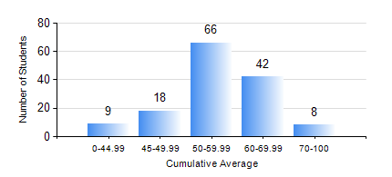
 |  |  | KWAME NKRUMAH UNIVERSITY OF SCIENCE AND TECHNOLOGY, KUMASI Department of Agricultural and Biosystems Engineering

 |  |  | BSC. AGRICULTURAL ENG.

 |  |  | COMPREHENSIVE RECORD OF EXAMINATION RESULTS

 |  |  | RESULTS OF YEAR 2 SECOND SEMESTER, 2022/2023 ACADEMIC YEAR

 | Sn | Course Code |  | Course Name | Credit Hours | Min. Mark | Max. Mark | Avg. Mark | Std. Dev. | No. Passed | No. Trailed | No. (Df) | No. (I) | No. (I*) | No. Tagged(I,I*,Df) | Total
 | 0. |  |  |  |  |  |  | 0 | 0 | 0 | 0 | 0 | 0 | 0 | 0 | 11
 | 1. | EE 252 |  | ELECTRICAL ENGINEERING MACHINES | 3 | 40 | 92 | 62 | 12.64 | 129 | 2 | 1 | 0 | 0 | 1 | 132
 | 2. | ENGL 264 |  | LITERATURE IN ENGLISH II | 1 | 40 | 85 | 63 | 8.96 | 130 | 2 | 0 | 0 | 0 | 0 | 132
 | 3. | GE 286 |  | PRINCIPLES OF SURVEYING | 4 | 12 | 89 | 58 | 11.33 | 128 | 4 | 0 | 0 | 0 | 0 | 132
 | 4. | MATH 252 |  | CALCULUS WITH SEVERAL VARIABLES | 4 | 48 | 95 | 70 | 9.53 | 130 | 2 | 0 | 0 | 0 | 0 | 132
 | 5. | ME 262 |  | THEORY OF MACHINES | 3 | 22 | 87 | 50 | 12.67 | 122 | 10 | 0 | 0 | 0 | 0 | 132
 | 6. | ME 282 |  | MECHANICAL ENGINEERING MATERIALS II | 3 | 22 | 92 | 53 | 12.95 | 119 | 10 | 3 | 0 | 0 | 3 | 132
 | 7. | ME 296 |  | MECHANICAL ENGINEERING LAB. II | 1 | 40 | 82 | 67 | 10.58 | 130 | 2 | 0 | 0 | 0 | 0 | 132

